Standards
Updated or Checked | Document Name | Governing Standards Organisation (Primary) | Governing Standards Organisation (Secondary) | Doc Number/version |  | Mandatory Dependencies (Normative References) | Number of References by Other Geospatial Standards | Source Date | Type | Description/Relevance | URL | Recommendation for National Adoption (Y/N) | Already Exists in National Standards Authority Online Register (Y/N) | Priority
N/A | FGDC Content Standard for Digital Geospatial Metadata | FGDC |  | FGDC-STD-001-1998 | FGDC-STD-001-1998 | Not applicable | 0 | 1998 | Standard | US Federal Metadata standard, superseded by the North American Profile of ISO 19115. | https://www.fgdc.gov/metadata/csdgm/ | N | N
No change necessary | RFC 3986 URI | IETF |  | IETF RFC 3986 | IETF RFC 3986 | None | 17 | 2005 January | Standard | A Uniform Resource Identifier (URI) is a compact sequence of characters that identifies an abstract or physical resource (URI): Generic Syntax. This is a key companion specification for the W3C XML specification. | https://www.ietf.org/rfc/rfc3986.txt | Y | N | 1
No change necessary | S-4 Regulations for International (INT) Charts and Chart Specifications of the IHO (Edition 4.9.0, March 2021 - Publication date: April 2021) | IHO |  | IHO S-4 Ed 4.9.0 | IHO S-4 | None | 1 | March 2021 | Standard | The publication S-4 (previously M-4) ‘Regulations of the IHO for International (INT) Charts and Chart Specifications of the IHO, includes: • Part A: ‘Regulations of the IHO for International (INT) Charts’ • Part B: ‘Chart Specifications of the IHO for Medium- and Large-scale National and International (INT) Charts’ • Part C: ‘Chart Specifications of the IHO for Small-Scale International (INT) Charts’ The three Parts of S-4 are further subdivided into Sections dealing with specific topics. Regulations and Specifications relating to particular topics may be found either by their subject matter in the Contents page at the beginning of each Section, or by reference to column 5 of INT 1 for Part B and the index for Part C. Cross referencing draws attention to related Regulations, Technical Resolutions and Specifications. | https://iho.int/uploads/user/pubs/standards/s-4/S4_V4-9-0_March_2021.pdf | Y | N | 1
No change necessary | S-52 Specifications for Chart Content and Display Aspects of ECDIS | IHO |  | IHO S-52 Ed. 6.1(.1) | IHO S-52 | IHO S-57 | 1 | 2014 October | Standard | These Specifications for Chart Content and Display Aspects of ECDIS are intended to contribute to the safe operation of ECDIS by: - ensuring a base and supplementary levels of display for ENC data; standards of symbols, colours and their standardized assignment to features; scale limitations of data presentation; and appropriate compatibility with paper chart symbols as standardized in the Chart Specifications of the IHO. - ensuring the display is clear and unambiguous, - ensuring that there is no uncertainty over the meaning of colours and symbols on the display, - establishing an accepted pattern for ECDIS presentation that becomes familiar to mariners and so can be recognized instantly without confusion. | https://iho.int/uploads/user/pubs/standards/s-52/S-52%20Edition%206.1.1%20-%20June%202015.pdf | Y | N | 1
Updated | S-57 IHO Transfer Standard for Digital Hydrographic Data Updated Prev. 3.1 November 2000 | IHO |  | IHO S-57 Ed 4.1.0 | IHO S-57 | IHO S-4 | 2 | 2018-01-01 | Standard | A standard to be used for the exchange of digital hydrographic data between national hydrographic offices and for its distribution to manufacturers, mariners and other data users. For example, this standard is intended to be used for the supply of data for ECDIS. This transfer and distribution has to take place in such a way that none of the meaning of the data is lost. | https://iho.int/uploads/user/pubs/standards/s-57/31Main.pdf | Y | N | 1
No change necessary | S-65 ENCs: Production, Maintenance and Distribution Guidance | IHO |  | IHO S-65 Ed 2.1.0 | IHO S-65 | IHO S-57 | 0 | 2017 May | Standard | This document provides a high level guide to the production, maintenance and distribution of Electronic Navigational Charts (ENCs). It offers a framework to inform hydrographic offices of the processes and requirements necessary to produce, maintain and distribute ENCs. It provides references to documentation which can support each stage of the process. It is not intended to serve as a technical reference manual but to enable hydrographic offices to gain an overview of ENC production processes, and the requirements and procedures that need to be in place to set up an ENC production facility. | https://iho.int/iho_pubs/standard/S-65/S-65_ed2%201%200_June17.pdf | Y | N | 1
Updated | S-100 IHO Universal Hydrographic Data Model | IHO |  | IHO S-100 Ed 5.1.0 | IHO S-100 | ISO 19101-1:2014 ISO 19103:2015 ISO 19109:2015 ISO 19111:2019 ISO 19115-1:2014 ISO 19123-1:2023 ISO 19156:2023 | 1 | 2023-10-01 | Standard | An IHO standard to facilitate better marine and hydrographic information exchange than is available with the S-57 standard. Essentially, S-100 extends the functionality of the S-57 hydrographic data transfer standard by creating a more flexible and richer data framework. The standard was developed by the IHO Transfer Standards Maintenance and Applications Development (TSMAD) Working Group with active participation from hydrographic offices, industry and academia. Concrete advantages cited by the IHO for S-100 have included alignment with internationally accepted geographic standards (ISO 19100), provision of images, gridded data types, enhanced metadata, and multiple encoding formats. This would, among other things, allow for presentation of real-time data, such as tidal changes. While S-57 was designed primarily to present nautical chart data, S-100 is meant to enable the organization, transfer, and presentation of data for multiple hydrographic application domains. | https://iho.int/uploads/user/pubs/standards/s-100/S-100_5.1.0_Final_Clean.pdf | Y | N | 1
...
 |  |  |  |  |  |  |  |  |  | Publish/Subscribe 1.0 is an interface specification that supports the core components and concepts of the Publish/Subscribe message exchange pattern with OGC Web Services. The Publish/Subscribe pattern complements the Request/Reply pattern specified by many existing OGC Web Services. This specification may be used either in concert with, or independently of, existing OGC Web Services to publish data of interest to interested Subscribers. | https://www.ogc.org/standard/pubsub/ | Y | N | 2
 |  |  |  |  |  |  |  |  |  | The primary focus of the SWE Common Data Model is to define and package sensor related data in a self-describing and semantically enabled way. The main objective is to achieve interoperability, first at the syntactic level, and later at the semantic level (by using ontologies and probably semantic mediation) so that sensor data can be better understood by machines, processed automati | https://portal.ogc.org/files/?artifact_id=41157 | Y | N | 1
 |  |  |  |  |  |  |  |  |  | This standard currently defines eight packages with data types for common use across OGC Sensor Web Enablement (SWE) services. | https://portal.ogc.org/files/?artifact_id=38476 | Y | N | 1
 |  |  |  |  |  |  |  |  |  | This standard defines a protocol-independent language for retrieving and processing geospatial coverage datacubes. Version 1.1 keeps version 1.0 and adds handling of the coverage types defined in the OGC Coverage Implementation Schema (CIS) 1.0 [09-146r2] and 1.1 [09-146r6]. Further, this version 1.1 takes into account changed and new rules OGC has established since the original version 1.0 adoption. | https://docs.ogc.org/is/08-068r3/08-068r3.html | Y | N | 2
 |  |  |  |  |  |  |  |  |  | This Standard defines the structure and content of well-known text strings describing coordinate reference systems (CRSs) and coordinate operations between coordinate reference systems. It does not prescribe how implementations should read or write these strings. This Standard provides an updated version of WKT representation of coordinate reference systems that follows the provisions of ISO 19111:2019 including its amendments 1 and 2. It extends the WKT in OGC document 12-063r5 (ISO 19162) which was based on ISO 19111:2007 and ISO 19111-2:2009. That version consolidated several disparate versions of earlier WKT (so-called WKT1) and added the description of coordinate operations. | https://www.ogc.org/standard/wkt-crs/ | Y | N | 1
 |  |  |  |  |  |  |  |  |  | specifies the ISO 639 language code and establishes the harmonized terminology and general principles of language coding | https://www.iso.org/standard/74575.html | Y | N | 1
 |  |  |  |  |  |  |  |  |  | Specifies the framework, concepts and methodology for conformance testing and criteria to be achieved to claim conformance to the family of applicable standardization documents regarding geographic information and relevant application domains. This document provides a framework for specifying abstract test suites composed of abstract test cases grouped in conformance classes and for defining the procedures to be followed during conformance testing | https://www.iso.org/standard/76457.html | Y | N | 1
 |  |  |  |  |  |  |  |  |  | Specifies a Land Cover Meta Language (LCML) expressed as a UML metamodel that allows different Land Cover classification systems to be described based on physiognomic aspects. This document recognizes that a number of Land Cover classification systems exist. It provides a common reference structure for the comparison and integration of data for any generic Land Cover classification system, but does not intend to replace those classification systems. | https://www.iso.org/standard/81259.html | Y | N | 1
 |  |  |  |  |  |  |  |  |  | Defines the management and operations of the ISO geodetic register and identifies the data elements, in accordance with ISO 19111:2007 and the core schema within ISO 19135‑1:2015, required within the geodetic register | https://www.iso.org/standard/76496.html | Y | N | 1
 |  |  |  |  |  |  |  |  |  | Defines a reference Land Administration Domain Model (LADM) covering basic information-related components of land administration (including those over water and land, and elements above and below the surface of the earth) | https://www.iso.org/standard/51206.html | Y |  | 1
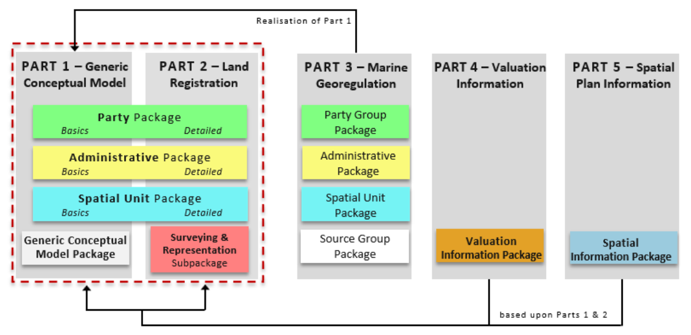
 |  |  |  |  |  |  |  |  |  | Defines a reference Land Administration Domain Model (LADM) covering basic information-related components of land administration/georegulation | https://www.iso.org/standard/81263.html | Y |  | 1
 |  |  |  |  |  |  |  |  |  | Provides the concepts and detailed structure for standardization in the land administration domain. Part 2 focuses on Land Registration and will be largely based on ISO 19152:2012 with refinement and extension at the survey model, the 3D spatial profiles and semantically enriched code lists. | https://www.iso.org/standard/81264.html | Y |  | 2
 |  |  |  |  |  |  |  |  |  | Provides the concepts and structure for standardization for georegulation in the marine space. This standard addresses the information structures related to management of legal spaces, such as the international maritime limits and boundaries, marine living and non-living resources management areas, marine conservation areas, etc. and their related rights and obligations | https://www.iso.org/standard/81265.html | Y |  | 2
 |  |  |  |  |  |  |  |  |  | Introduces the Valuation Information Package concerning valuation information used and produced in the context of Land Administration, specifying the characteristics and semantics of valuation registries maintained by public authorities | https://www.iso.org/standard/81266.html | Y |  | 2
 |  |  |  |  |  |  |  |  |  | Introduces the Spatial Plan Information Package that deals with spatial planning information and includes the planned land use (zoning) | https://www.iso.org/standard/81267.html | Y |  | 2
 |  |  |  |  |  |  |  |  |  | A standard information model for the representation of water observations data, with the intent of allowing the exchange of such data sets across information systems. Through the use of existing OGC standards, it aims at being an interoperable exchange format that may be re-used to address a range of exchange requirements | https://portal.ogc.org/files/?artifact_id=57222 | Y |  | 1
 |  |  |  |  |  |  |  |  |  | Defines an information model to describe hydrological ratings, gauging observations and survey observations. It is part 2 of the WaterML2.0 ‘suite’ of standards; the first part covered time-series observations and monitoring points. This standard re-uses types from part 1 | https://docs.ogc.org/is/15-018r2/15-018r2.html | Y |  | 1
 |  |  |  |  |  |  |  |  |  | Defines a common conceptual feature model for use in identification of features as typical features of the hydrology domain using established models and patterns in use in the Hydrology domain and endorsed by WMO and UNESCO such as those documented in the "International Glossary of Hydrology". | https://docs.ogc.org/is/14-111r6/14-111r6.html | Y |  | 1
 |  |  |  |  |  |  |  |  |  | A conceptual, logical and encoding standard for GWML2, which represents key groundwater data. GWML2 is implemented as an application schema of the Geography Markup Language (GML) version 3.2.1, and re-uses entities from other GML application schema, most notably the OGC Observations & Measurements standard and the OGC/IUGS GeoSciML 4.0 (OGC 16-008) standard | https://docs.ogc.org/is/16-032r2/16-032r2.html | Y |  | 1
 |  |  |  |  |  |  |  |  |  | Describes how the Observations & Measurements and WaterML 2 standards are to be used to deliver Water Quality data | https://docs.ogc.org/bp/14-003/14-003.html | Y |  | 1
 |  |  |  |  |  |  |  |  |  | Defines a conceptual model for address information (address model), together with the terms and definitions that describe the concepts in the model. Lifecycle, metadata, and address aliases are included in the conceptual model. The model is presented in the Unified Modeling Language (UML) | https://www.iso.org/standard/61710.html | Y |  | 1
 |  |  |  |  |  |  |  |  |  | Focuses on assigning and maintaining addresses that allow the unambiguous determination of an object in the physical world for purposes of identification and location in the context of public administration and public service delivery | https://www.iso.org/standard/81674.html | Y |  | 1
 |  |  |  |  |  |  |  |  |  | A profile of ISO 19157 Data Quality. Establishes a set of data quality elements and measures for describing the quality of address data. Describes procedures for reporting data quality. Provides guidelines for the use of the established set of data quality elements and measures for describing the quality of address data | https://www.iso.org/standard/71247.html | Y |  | 1
 |  |  |  |  |  |  |  |  |  | Defines key terms for postal addressing, postal address components and constraints on their use. Specifically, this document specifies postal address components organized into three hierarchical levels: elements, constructs, and segments | https://www.iso.org/standard/83470.html | Y |  | 1

Standards Dependencies Example
